1. Title Page
[Project Name]

Project Name: Instacart Grocery Basket Analysis
Date: 08/15/2024
Analyst Name: Brandon Lu

Contents:
Population Flow
Consistency checks
Wrangling steps
Column derivations
Visualizations
Recommendations

2. Population Flow
Title page

Population flow

Exclusion flag
Condition: max_order < 5
Obervations to be removed: 14441488
Final total count of order_products_all: 32433030

Orders_products_combined
Orders_products_merged
Orders_products_all

Total: 32433030
Total: 324344489
Total: 32433030

1.) The grey boxes in the first row of the population flow represent the original data sets as they were when you downloaded them. In the Total fields you need to add the count of the rows when you imported the data set into Jupyter.
2.) The second row of boxes (coloured) represents the data sets after you manipulated them, e.g., removed missing values and duplicates. In the Total fields you need to add the count of the rows after conducting these operations. This offers a visual oveview of how the data flows throughout the data consistency checks.
3.) The third row, where also the arrows are coloured, represents the merges you performed between the datasets. In the Total fields you need to add the count of the rows in the merged datasets, so that you end up with the final dataset (in the red box). Keep in mind the final dataset should be without exclusions (based on the exclusion flag).

3. Consistency checks
 |  |  |  | Title page
Consistency checks

Dataset | Missing values | Missing values treatment | Duplicates
orders | 16 | removed | 5
products | 206209 | replaced with 0 | 0
orders_products_prior
customers

4. Wrangling steps
 |  |  |  | Title page
Wrangling steps

Columns dropped | Columns renamed | Columns' type changed | Comment/Reason
eval_set |  |  | all values were 'prior', useless info
 | order_dow' to 'orders_day_of_week' |  | easier understanding of column
 |  | order_id' to 'str' | numeric value
 |  | user_id' to 'str' | numeric value
 | order_hour_of_day' to 'order_time' |  | easier understanding of variable

5. Column derivations
 |  |  |  |  |  | Title page

Column derivations and aggregations

In this tab you should add tables below that the frequences of flags/label variables that you produced after deriving them. NB: don't do this for continuous variables, only for flags.
Dataset | New column | Column/s it was derived from | Conditions
ords_prods_merge | price_range_loc | prices | high range: price > 15
ords_prods_merge | price_range_loc | prices | mid range: price <= 15 & > 5
ords_prods_merge | price_range_loc | prices | low range: price <= 5
ords_prods_merge | busiest_day | orders_day_of_week | busiest days: 0,1 | busiest_times | order count
ords_prods_merge | busiest_day | orders_day_of_week | slowest days: 3,4 | Most orders | 23205725
ords_prods_merge | busiest_day | orders_day_of_week | average days: 2,5,6,7 | Average orders | 8821575
ords_prods_merge | busiest_times | order_time | most orders: 10,11,14,15,13,12,16,9,17 | Fewest orders | 377559
ords_prods_merge | busiest_times | order_time | average orders: 8,18,19,20,7,21,22,23,6,0 | Name: count, dtype: int64
ords_prods_merge | busiest_times | order_time | fewest orders: 1,5,2,4,3
ords_prods_merge_w_flags | max_orders | user_id & order_number | max order number per user id
ords_prods_merge_w_flags | loyalty_flag | max order | loyal customer: >40 orders | order_time | orders
ords_prods_merge_w_flags | loyalty_flag | max order | regular customer: <=40 & >10 orders | 10 | 2761760
ords_prods_merge_w_flags | loyalty_flag | max order | new customer: <=10 orders | 11 | 2736140
ords_prods_merge_w_flags | average_spending | user_id & prices | average spending per user id | 14 | 2689136
ords_prods_merge_w_flags | spending_flag | average_spending | low spender: <10 | 15 | 2662144
ords_prods_merge_w_flags | spending_flag | average_spending | higher spender: >=10 | 13 | 2660954
ords_prods_merge_w_flags | median_days_of_prior_order | user_id & days_since_prior_order | median days since last order | 12 | 2618532
ords_prods_merge_w_flags | frequency flag | median_days_of_prior_order | non-frequent: >20 | 16 | 2535202
ords_prods_merge_w_flags | frequency flag | median_days_of_prior_order | regular: >10 & <=20 | 9 | 2454203
ords_prods_merge_w_flags | frequency flag | median_days_of_prior_order | frequent: <10 | 17 | 2087654
 |  |  |  | 8 | 1718118
 |  |  |  | 18 | 1636502
 |  |  |  | 19 | 1258305
 |  |  |  | 20 | 976156
 |  |  |  | 7 | 891054
 |  |  |  | 21 | 795637
 |  |  |  | 22 | 634225
 |  |  |  | 23 | 402316
 |  |  |  | 6 | 290493
 |  |  |  | 0 | 218769
 |  |  |  | 1 | 115700
 |  |  |  | 5 | 87961
 |  |  |  | 2 | 69375
 |  |  |  | 4 | 53242
 |  |  |  | 3 | 51281
 |  |  |  | Name: count, dtype: int64

 |  |  |  | busiest_day | day count
 |  |  |  | Regularly busy | 12916111
 |  |  |  | Busiest days | 11864412
 |  |  |  | Slowest days | 7624336
 |  |  |  | Name: count, dtype: int64

 |  |  |  | loyalty_flag | mean
 |  |  |  | Loyal customer | 10.386336
 |  |  |  | New customer | 13.29467
 |  |  |  | Regular customer | 12.495717

 |  |  |  | Spending flag | customer count
 |  |  |  | Low spender | 31770614
 |  |  |  | High spender | 634245

 |  |  |  | frequency flag | customer count
 |  |  |  | Frequent customer | 22796659
 |  |  |  | Regular customer | 6921472
 |  |  |  | Non-frequent customer | 2686728

6. Visualizations
Title page

Visualisations

In this tab you should include all the visualtions from Exercises 4.9 and 4.10, alongside the questions from the project brief that they answer. Include any commentary on the relationship between different variables.

Question 1:
The sales team needs to know what the busiest days of the week and hours of the day are (i.e., the days and times with the most orders) in order to schedule ads at times when there are fewer orders.



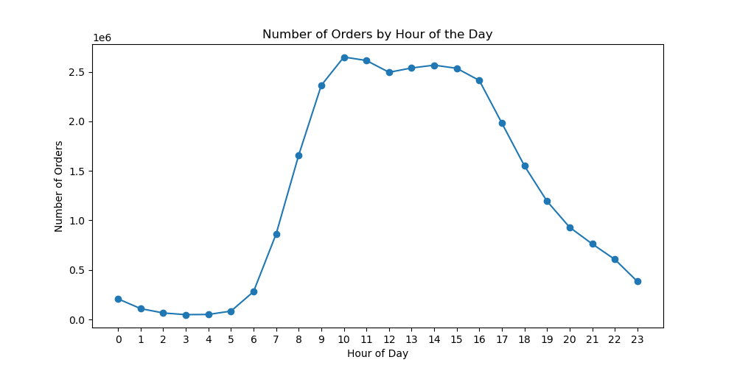

Busiest days: Saturday, Sunday and Friday, respectively in that order.
Busiest hours: 10:00 am - 4:00 pm
Normal hours: 6:00 am - 10:00 am & 4:00 pm - 12:00 am
Slow hours: 12:00 am - 6:00 am

Question 2:
They also want to know whether there are particular times of the day when people spend the most money, as this might inform the type of products they advertise at these times.

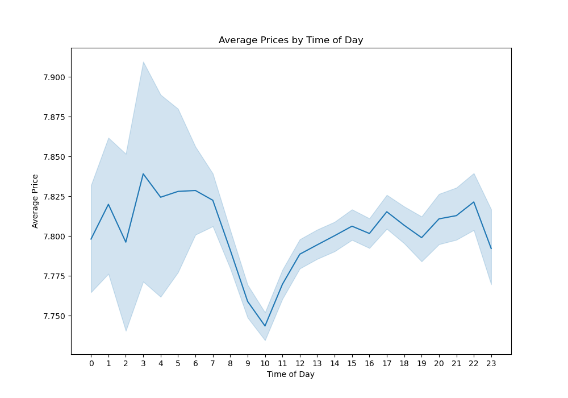

Price range: $7.75 - $7.83
Average spending dips from 7:00 am - 10:00 am.

Question 3:
Instacart has a lot of products with different price tags. Marketing and sales want to use simpler price range groupings to help direct their efforts.

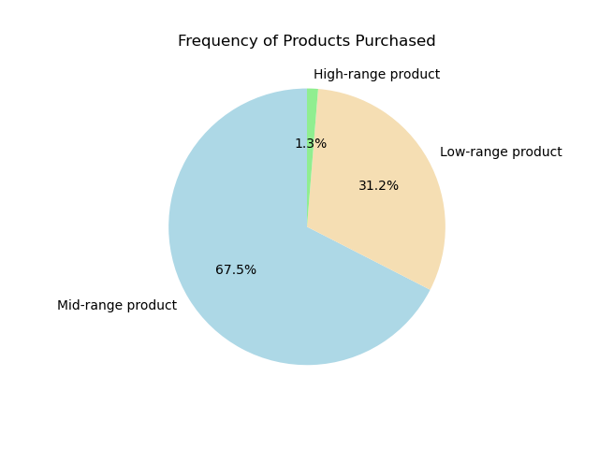

high range: price > $15
mid range: price <=$ 15 & > $5
low range: price <= $5

Mid-range products are the most frequently purchased items, with a price point of $5 - $15.

Question 4:
Are there certain types of products that are more popular than others? The marketing and sales teams want to know which departments have the highest frequency of product orders.

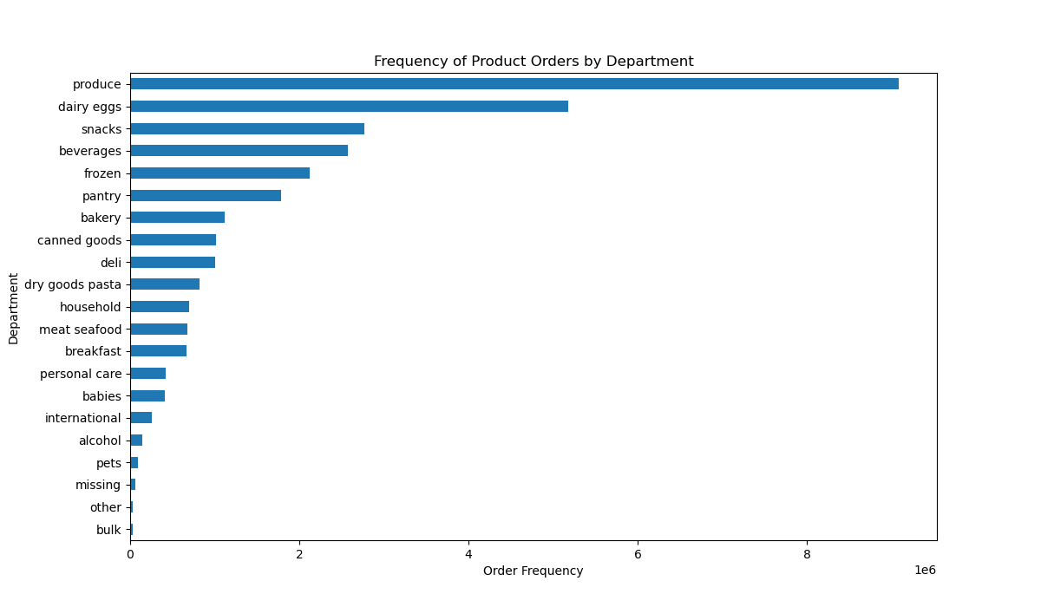

Produce, dairy eggs, snacks, beverages and frozen are among the highest bought products. All these items can be classifed as grocery items.

Question 5:
What’s the distribution among users in regards to their brand loyalty (i.e., how often do they return to Instacart)?

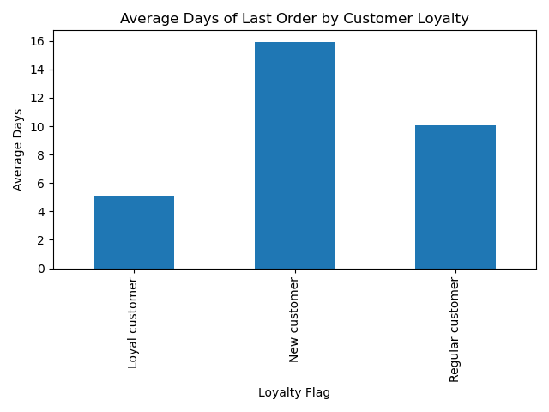
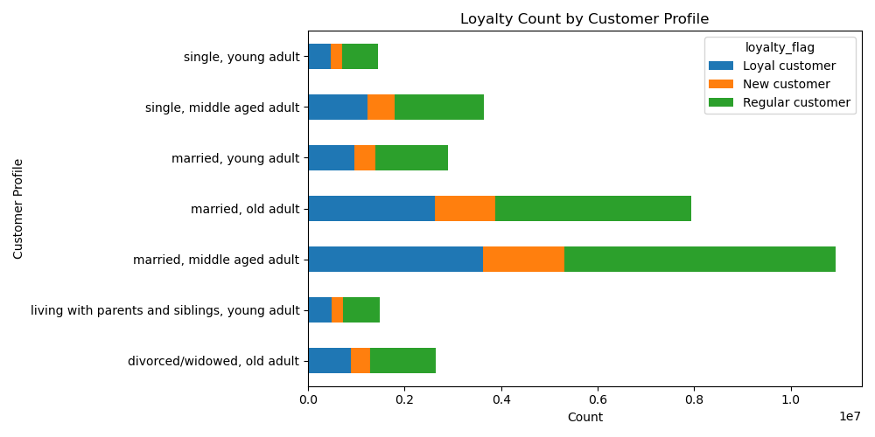

Married customers are the most loyal and regular customers.
Loyal customers return on an average of 5 days.
Regular customers return on an average of 10 days.
New customers return on an average of 15 days.

Question 5:
Are there differences in ordering habits based on a customer's loyalty status?

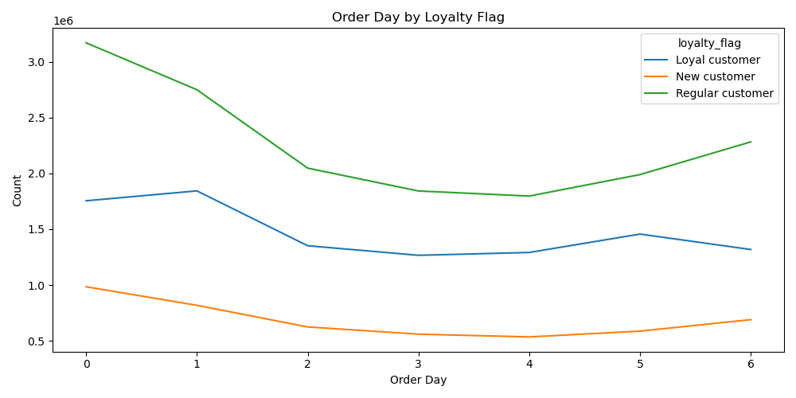
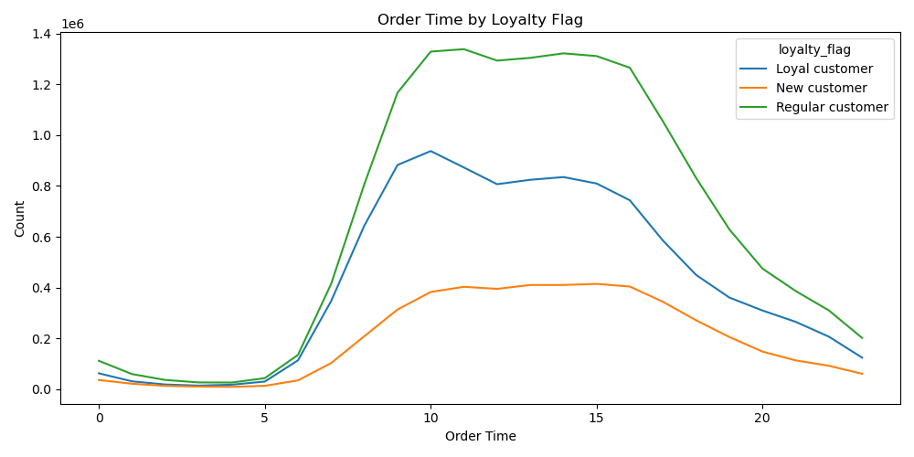

The curve for all loyalty levels are similar throughout the week except Thursdays and Sundays, in which loyal customers order a bit more.
There are no differences in order time based on customer loyalty.

Question 5:
Are there differences in ordering habits based on a customer's region?

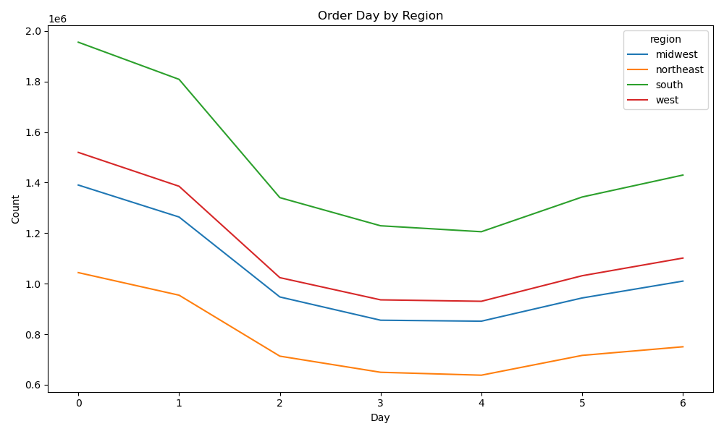
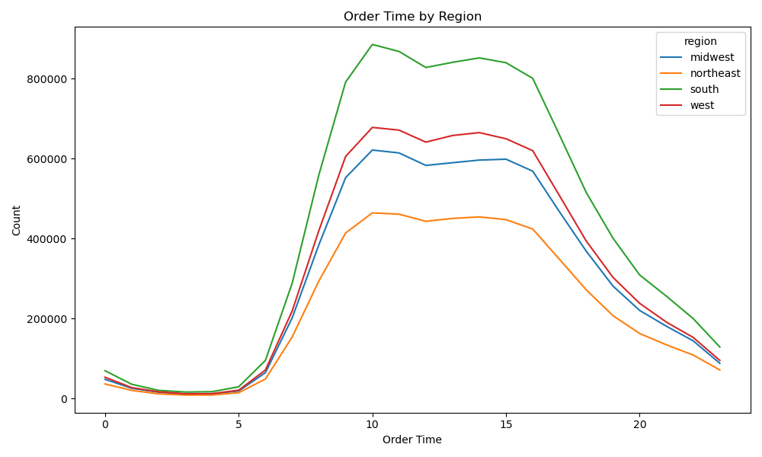

There is no difference in order day by regions.
The curve for order time based on region follows the same curve as time by loyalty flag.
There is no substantial differences among the regions.

Question 6:
Is there a connection between age and family status in terms of ordering habits?

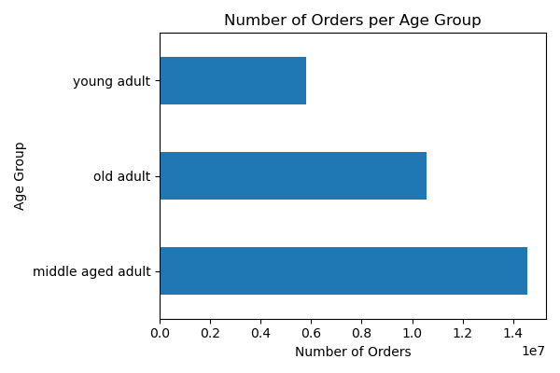
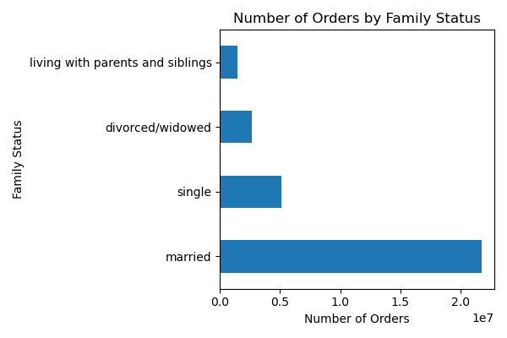

MIddle age adults have the most orders.
Married individuals account for 75% of all orders.

Question 7:
What different classifcations does the demographic information suggest?

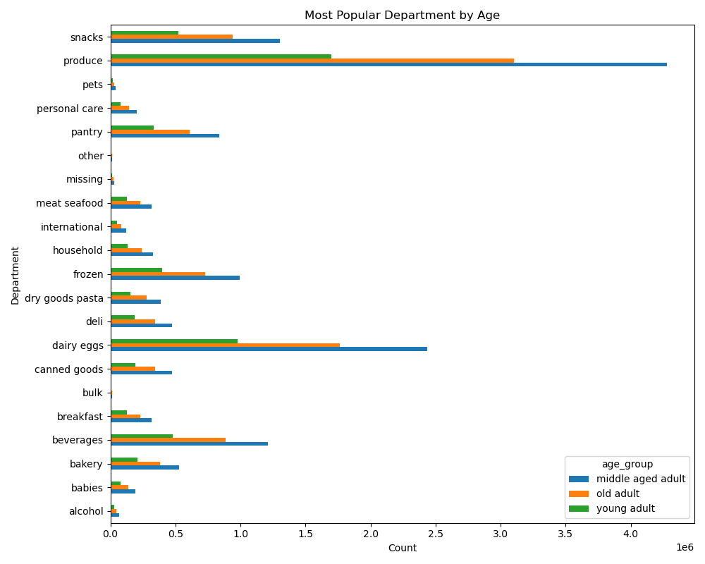

Most popular department is produce.
Middle aged adults spend the most on grocery items.

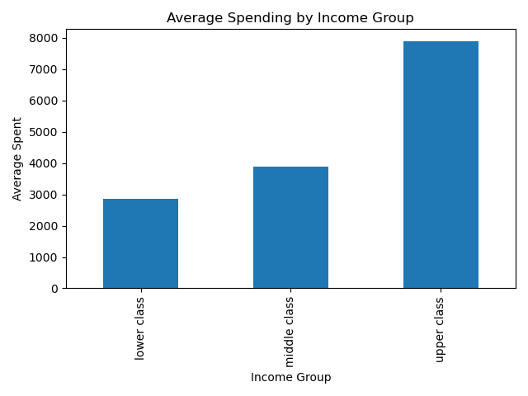
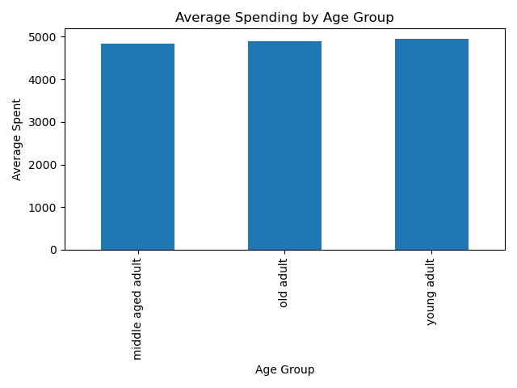

Upper class users spend significantly more than middle class and lower class.
Average spending per customer among all age groups is very consistent.
Average around $5000 per user in each age group.

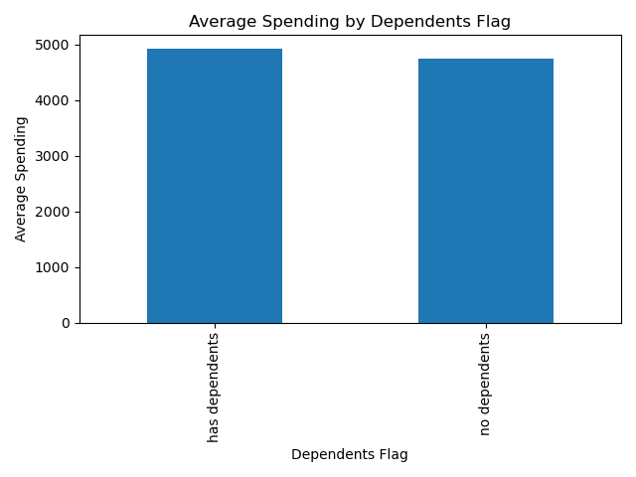

Average spent per dependents flag is ~$5,000.
No huge difference among depedents flag.

Question 7:
What differences can you find in ordering habits of different customer profiles?

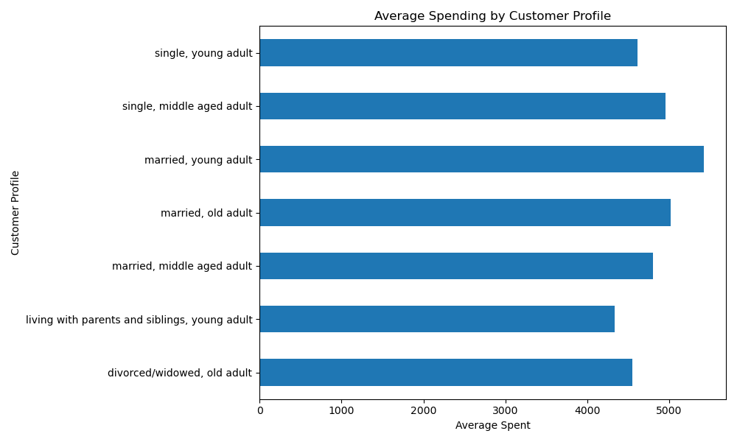
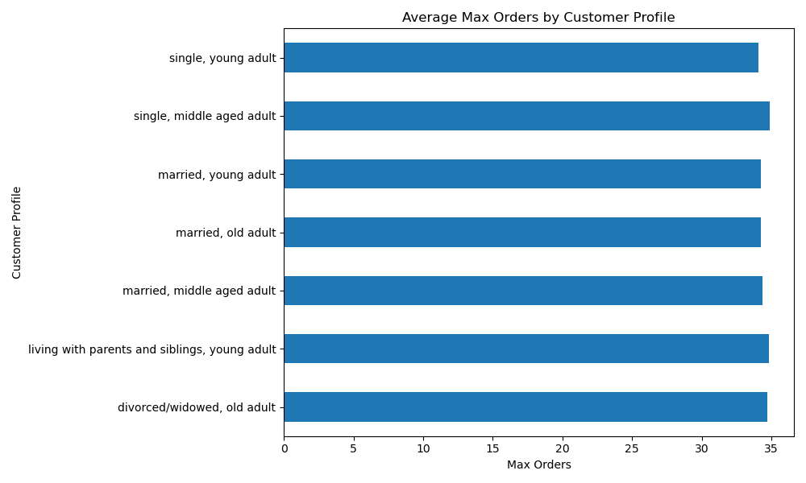

Married young adults spend the most money on average.
Young adults living with siblings spend the least.
No significant differences in max orders among customer profiles.
Single middle aged adult has the most max orders by a small margin.

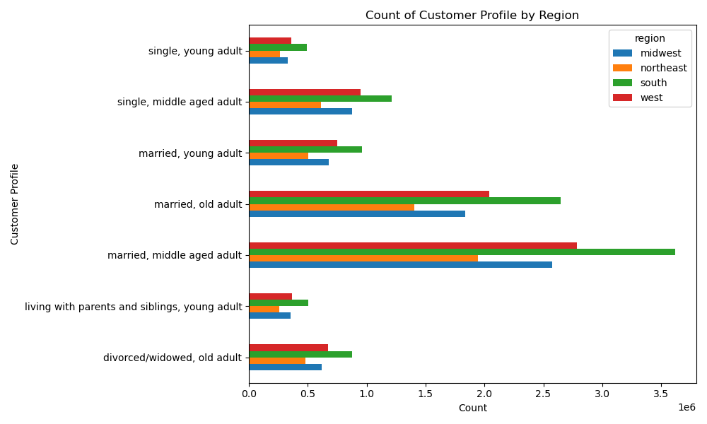
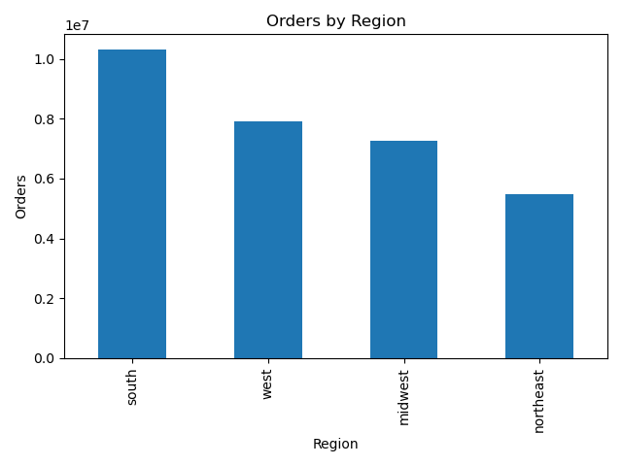

South is the most popular region for orders

South is the most popular region for all customer profiles.
Married middle age and old adults are the most counts in the south.

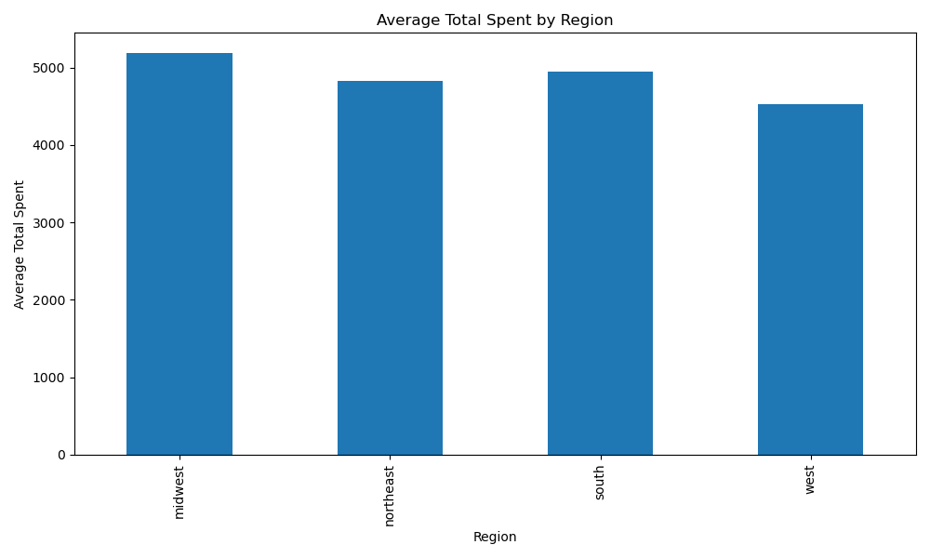
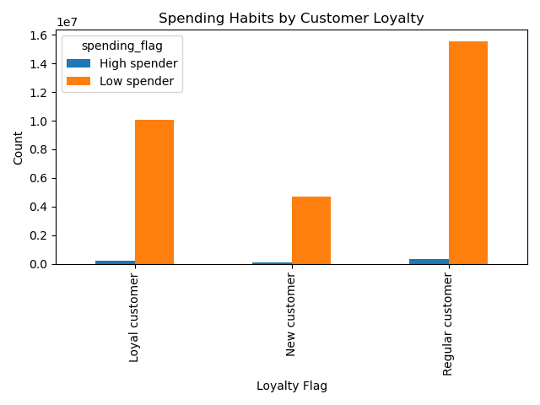

Midwest has the highest spenders out of all regions.
Spending habits are uniform across all loyalties.
Most customers are low spenders.

7. Recommendations
 |  | Title page

Recommendations

In this tab you should include any recommendations you would made to Instcart in terms of their marketing strategy based on the questions posed in the brief. Every key question has been covered in the Tasks of the Exercises - here you need to add an item - a visualisation or table/crosstable that is showing the answer in the data, acompanied by a comment from you. Please, list the questions below and add the answer underneath.

Question | Answer
Question 1: Busiest Days and Times | Busiest Days: Friday - Sun. Peak Day: Saturday Busiest Times: 9 am - 4pm. Peak Time: 12 pm Recommendation: a. Increase ad spenditure by 20% on weekends from 9 am - 4pm b. Ensure server stability on weekends for increased traffic from increased ad spend
Question 2: Spending Patterns | The average purchase price range of $7.75 - $7.90. There is no definitive peak time where prices are higher/lower. Recommendation: a. Ad spend should not be influenced by spending patterns based on time of day as time of day has no influence on spending patterns. (Could be due to the fact that instacart main source of income comes from the grocery products and grocery products all fall within a similar price range.
Question 3: Product Price Range | Conditions: High range: price > $15 Mid range: price <=$ 15 & > $5 Low range: price <= $5 68% of all products sold are mid range products. 32% are low range products. 1% are high range products. Recommendation: a. Allocate 80% product ad spend towards promoting mid-range products. These products fall in between $5 - $15. b. Allocate 20% product ad spend towards low-range products. These products cost less than $5. c. Do not promote high-range products. These products are not sought after on Instacart and strategy should be focused on high volume products.
Question 4: High Frequency Departments | Top Selling Products: 1. Produce 2. Dairy/Eggs 3. Snacks 4. Beverages 5. Frozen Worst Selling Departments: 1. Bulk 2. Pets 3. Alcohol 4. International 5. Babies Recommendation: a. Top selling products all fall into the category of grocery items. Focus 100% of product ad spend on various grocery items in the top departments. These show consumers that instacart carries some of the most popular items and promote brand awareness.
Question 5: Customer Loyalty | Loyal customers: 35% of all customers; return on an average of 5 days. Regular customers: 50% of all customers; return on an average of 10 days. New customers: 15% of all customers; return on an average of 15 days. 85% of all customers use Instacart within 10 days. Recommendation: a. Create a reward points system for customers based on milstones reached(money spent). b. Increase brand loyalty rewards awareness with 10% ad spend towards promoting a reward points system.
Question 6: Ordering Habits by Customer Loyalty | Loyal customers: Most orders Saturday and Sunday. All other days consistent. Regular customers: Most orders from Friday - Monday. All other days consistent. New customers: All days consistent. Recommendation: a. Follow current ad spend approach, with priotity ad spend towards the weekend when Instacart experiences the most traffic.
Question 7: Ordering Habits by Region | Most Orders by Region: 1. South 2. West 3. Midwest 4. Northeast Ordering patterns are unaffected by regional differences. It follows the same peak time and days of all customers. Recommendation: 1. Allocate 40% ad revenue to the South region 2. Allocate 30 % ad revenue to the West region 3. Allocation 15% ad revenue to Midwest/Northeast regions. These numbers are derived from total order numbers from each region.
Question 8: Ordering Habits by Age and Family Status | Most Orders by Age Group: 1. Middle-age: 45%; 30 - 59 years old 2. Old: 35% ; 60 + years old 3. Young: 20% ; 0 - 29 years old Most Orders by Family Status: 1. Married: 85% 2. Single: 10% 3. Divorced/Widow: 3% 4. Living with Parents/Sibllings: 2% Recommendation: a. Redesign ads to target familes, specifically for middle-aged and older adults. Utilize high value grocery items in the grocery department such as dairy and produce. b. Target all age groups with tailored ads that appeal to each age group differently; different color schemes and branding based on the targeted age group
Question 9: Habits Across Different Demographics | Most Popular Department by Age Across all age groups, the 3 top departments are the same: 1. Produce 2. Dairy/Eggs 3. Snacks 4. Beverages 5. Frozen The highest spent department by age group is the middle-aged adult and the produce department. Product preferences are not affected by age. Average Spent by Income Group 1. Upper class: $8,000 per customer 2. Middle class: $4,000 per customer 3. Lower class: $3,000 per customer This statistic is uniform with social norms where people with more money will spend more on groceries. Upper class customers on average spent twice as much as middle class customers. Average Spent by Age Group Across all age groups, the average spent is $5,000. There are no significant differences between age and spending. Average Spent by Dependents Flag 1. Has dependents: $5,000 2. No dependents: $4,900 The difference between spending based on household size is only $100. Dependents flag will not be prioritized in marketing recommendations.
Question 10: Ordering Habits of Different Customer Profiles | Average Spent by Customer Profile 1. Married, young adult 2. Married, old adult 3. Single, middle-aged adult 4. Married, middle-aged adult 5. Divorced/widowed, old adult Married customers have spent the most money, with an average of $5,000. Young adult living with parents and siblings spend the least money. Average Max Orders by Customer Profile Across all customer profiles, the average max order is 35 orders. There is no significant difference between the customer profiles between the range of averages is less than 1. Average Total Spent by Region 1. Midwest: $5,100 2. South: $5,000 3. Northeast: $4,800 4. West: $4,500 Spending Habits by Customer Loyalty Across all customer loyalties (new, regular, and loyal), 95% of all products bought are under $10.

Final Insights
1. Time of day does not affect prices. 2. Mid-range and low-range products are Instacart’s bread and butter. 3. Grocery items are 90% of Instacart’s sales. 4. The South has the most orders but the Midwest have the highest spenders. 5. Married customers ages 30 + is the most popular customer profile.

Final Recommendations & Summary
1. Focus 80% marketing efforts on weekends (Friday - Sunday) from 10 am - 4 pm. The other 20% can be split among the weekdays with the same time frame but with emphasis on Mondays and Thursdays. 2. Focus all product advertisements on all grocery products under $10. Highest spending categories in groceries are produce, dairy, snacks and frozen. 3. Establish a points reward system for customers to attract more loyal customers. Points can be rewarded on amount spent to entice larger purchases. 4. Increase ad spend in the Midwest region by 20%. This region have the highest spenders despite ranking 2nd to last in total orders. Increasing traffic in this region can result in substantial revenue gains. 5. Design creatives focused on attracting more married customers. This customer profile account for the highest spenders and the most orders. 6. Create coupon codes and product discounts for underselling grocery items: meat, canned foods, deli, etc. Drive traffic to other departments in the grocery section, where 90% of shoppers are browsing. 7. Invest 5% budget to launch sale campaigns on weekdays from 10 am - 4pm. These sale campaigns should test the market for attracting new customers during slow days. If the results are ineffective, then sale campaign should be directed to the weekends.

